Identify Flowcharting Symbols
The following symbols are commonly used in program flowcharts to visually represent processes and decision points. Please identify these symbols and provide a brief description of their purpose in flowcharting. (5 Points)

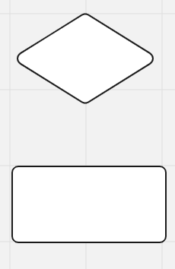
 | Symbol Name | External module call | Symbol Name | Decision
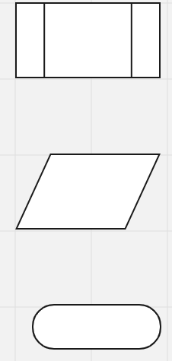
 | a separate process mapped out elsewhere |  | Indicates a question to be answered

 | Symbol Name | Input/output | Symbol Name | Process

 | Indicates an input or output operation |  | represents a process action

 | Symbol Name | Terminal

 | Start and stop points

SDLC - Interactive
1The Software Development Life Cycle (SDLC) is a structured process utilized for designing, developing, and testing high-quality software. It is a methodology that outlines the comprehensive process of software development in a systematic manner. For this assignment enter the name of the SDLC step in the blue boxes by double clicking on the terminal shape
Software Development Life Cycle (SDLC)
Planning
Defining

Deployment

Designing

2 Name two interactive programming languages.

Testing
1 | Python

Building
2 | JaavaScript

